Sheet1
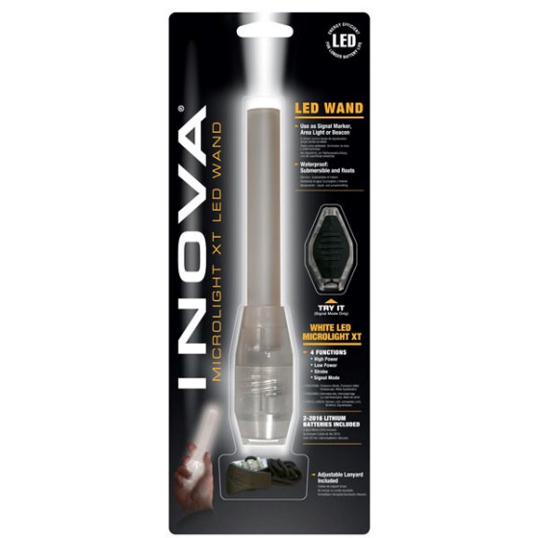
INOVA MICROLIGHT XT LED WAND

UPC | ITEM NUMBER | DESCRIPTION | QUANTITY | RETAIL | TOTAL RETAIL | 101
094664006447 | LLW-07-02 | INOVA MICROLIGHT XT LED WAND WHITE LED | 840 | $29.99 | $25,191.60
094664006454 | LLW-07-03 | INOVA MICROLIGHT XT LED WAND BLUE | 393 | $29.99 | $11,786.07
094664006454 | LLW-07-04 | INOVA MICROLIGHT XT LED WAND BLUE | 72 | $29.99 | $2,159.28
094664006461 | LLW-07-10 | INOVA MICROLIGHT XT LED WAND RED LED | 1091 | $29.99 | $32,719.09
094664006478 | LLW-07-28 | INOVA MICROLIGHT XT LED WAND GREEN LED | 362 | $29.99 | $10,856.38
 |  |  | 2758 |  | $82,712.42

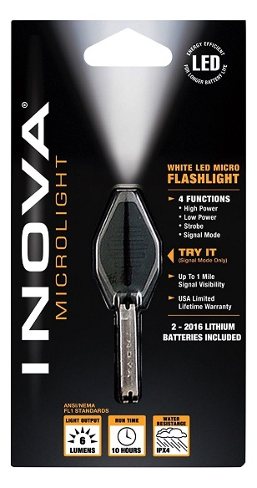
Nite Ize Inova Microlight

671192240040 | BB-G | Nite Ize Inova Microlight Black/Green | 16 | $7.99 | $127.84
671192240002 | BB-R | Nite Ize Inova Microlight Black/Red | 16 | $7.99 | $127.84
671192240026 | BB-W | Nite Ize Inova Microlight Black/White | 23 | $7.99 | $183.77
671192240262 | CB-B | Nite Ize Inova Microlight Clear/Blue | 6 | $7.99 | $47.94
671192240248 | CB-G | Nite Ize Inova Microlight Clear/Green | 6 | $7.99 | $47.94
094664024298 | CBP-W | INOVA MICROLIGHT LED FOUR FUNCTTION PINK/WHITE | 1428 | $7.99 | $11,409.72
671192240200 | CB-R | Nite Ize Inova Microlight Clear/Red | 18 | $7.99 | $143.82
671192240224 | CB-W | Nite Ize Inova Microlight Clear/White | 24 | $7.99 | $191.76
094664026421 | MLSA-M1-R7 | Nite Ize Inova Microlight STS Smoke Grey | 6 | $7.99 | $47.94
 |  |  | 1543 |  | $12,328.57

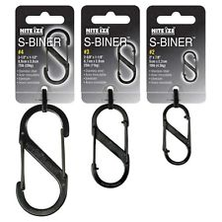
Nite Ize S-Biner

094664037076 | LSB3-01-R6 | Nite Ize S-Biner #3 Slidelock Black | 24 | $3.99 | $95.76
094664026797 | MLSA-M4-R7 | Nite Ize Inova Microlight STS Smoke Green | 15 | $7.99 | $119.85
094664026711 | LSB4-01-R3 | Nite Ize S-Biner #4 Slidelock Black | 34 | $3.51 | $119.34
094664026728 | LSB4-11-R3 | Nite Ize S-Biner #4 Slidelock | 46 | $3.51 | $161.46
094664008380 | SB1-2PK-07 | Nite Ize S-Biner #1 2PK Spectrum | 32 | $5.30 | $169.60
094664007376 | SB2-03-01 | Nite Ize S-Biner #2 Black | 67 | $1.94 | $129.98
094664007406 | SB2-03-07 | Nite Ize S-Biner #2 Spectrum | 149 | $2.04 | $303.96
094664007437 | SB2-03-11 | Nite Ize S-Biner #2 Stainless | 53 | $4.79 | $253.87
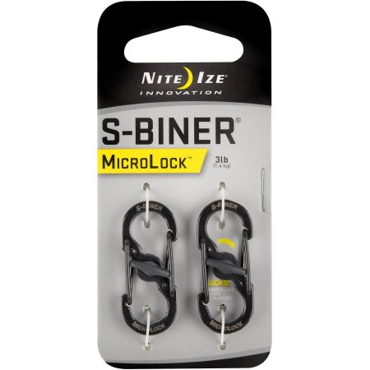
094664009820 | SB234-03-01 | Nite Ize S-Biner #4,3,2 3PK Black | 8 | $2.40 | $19.20
094664020887 | SB234-03-11-M1 | Nite Ize S-Biner #4,3,2 3PK Stainless | 29 | $7.56 | $219.24
 | SB2-3PK-01 | NITE IZE #2 BLACK SS S-BINER | 576 | $7.89 | $4,544.64
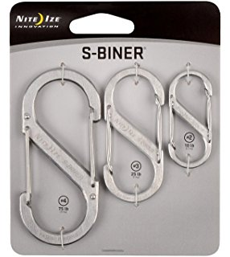
094664007437 | SB2-3PK-11 | NITE IZE #2 STAINLESS STEEL S-BINER | 144 | $7.89 | $1,136.16
094664007413 | SB3-03-07 | Nite Ize S-Biner #3 Spectrum | 98 | $2.89 | $283.22
094664007444 | SB3-03-11 | Nite Ize S-Biner #5 Stainless | 72 | $2.04 | $146.88
094664007451 | SB4-03-11 | Nite Ize-S-Biner #4 Steel | 100 | $2.40 | $240.00
094664007994 | SB4-2PK-11 | Nite Ize S-Biner #4 Stainless 2PK | 72 | $2.40 | $172.80
094664008281 | SB5-03-07 | NITE IZE SS S-BINER # 5 100LB | 228 | $3.49 | $795.72
094664022218 | SBHLF-2PK-01 | Nite Ize S-Biner #.5 2PK Black | 98 | $7.59 | $743.82
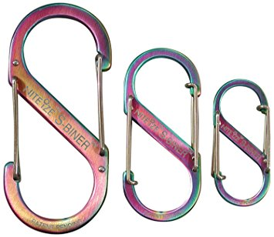
094664022225 | SBHLF-2PK-07 | Nite Ize S-Biner #.5 2PK Spectrum | 99 | $2.04 | $201.96
094664022232 | SBHLF-2PK-11 | Nite Ize S-Biner #.5 2PK Stainless | 156 | $2.23 | $347.88
094664015326 | SBO-03-11S1 | Nite Ize S-Biner Ahhh Bottle Openers Stainless | 66 | $2.86 | $188.76
094664010482 | SBP10-03-01 | Nite Ize-S-Biner #10 Black | 310 | $8.90 | $2,759.00
094664010932 | SBP10-03-19 | NITE IZE #10 BINER ORANGE | 147 | $8.90 | $1,308.30
094664011045 | SBP10-03-26BG | S BINDER #10 BLUE GREEN 100 LB | 756 | $8.90 | $6,728.40
094664007390 | SBP4-03-01 | Nite Ize S-Biner #4 Black Metal | 19 | $2.19 | $41.61
NEED UPC | SBP4-03-17 | NITE IZE #4 S-BINER LIME GREEN | 2304 | $2.19 | $5,045.76
094664019256 | SBP4-03-A1 | Nite Ize S-Biner #4 Black Metal | 22 | $2.19 | $48.18
084664019263 | SBP6-03-01 | Nite Ize-S-Biner #6 Black | 45 | $4.99 | $224.55
094664020626 | SBP6-03-17 | Nite Ize-S-Biner #6 Lime | 120 | $4.99 | $598.80
094664019287 | SBP6-03-20BG | Nite Ize S-Biner #6 Coyote | 36 | $4.99 | $179.64
094664019270 | SBP6-03-26BG | Nite Ize S-Biner #6 Green/Black Gate | 1403 | $4.99 | $7,000.97
094664017849 | SBP6-03-27 | Nite Ize S-Biner #6 Blue | 20 | $4.99 | $99.80
 | SBP6-03-28BG | NITE IZE #6 S-BINER BLUE GREEN | 144 | $4.99 | $718.56
094664017856 | SBP8-03-01 | Nite Ize S-Biner #8 Black | 474 | $7.99 | $3,787.26
094644019294 | SBP8-03-01BG | NITE IZE S-BINER #8 75 POUND BLACK | 88 | $7.99 | $703.12
094664017863 | SBP8-03-17 | NITE IZE #8 S-BINER 75 LB LIME | 662 | $7.99 | $5,289.38
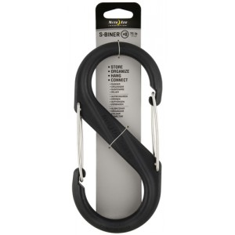
094664019300 | SBP8-03-26BG | NITE IZE S BINER #8 75 LB BLUE GREEN | 1854 | $7.99 | $14,813.46
094664017870 | SBP8-03-27 | NITE IZE # 8 S-BINER 75 LB SLATE | 587 | $7.99 | $4,690.13
094664019317 | SBP8-03-28BG | NITE IZE #8 S-BINER 75 LB COYOTE | 3618 | $7.99 | $28,907.82
RE COUNT | SBPGB03-4ASS | RE COUNT | 50 | $7.99 | $399.50
094664022232 | SHLF-2PK-11 | Nite Ize S-Biner #.5 2PK Stainless | 101 | $2.23 | $225.23
 |  |  | 14926 |  | $93,963.57
Nite Ize S-Biner BULK NO UPC

None | LSBPM-100-Bag | Nite Ize Locking S-Biner Assorted Corlors 100/Bag | 100 | $- | $-
BULK | SBP 2 | NITE IZE #2 PLASTIC S-BINER ASSORTED 100/BAG | 5300 | $0.98 | $5,194.00
ASSORTED UPC | SBP0 | NITE IZE SIZE 0 ASSORTED 2 PK 100/BAG | 500 | $2.19 | $1,095.00
None | SBP10-03-01 | Nite Ize-S-Biner #10 Black | 976 | $8.90 | $8,686.40
None | SBP10-03-19 | Nite Ize-S-Biner #10 Orange | 45 | $8.90 | $400.50
None | SBP2-100-Bag | Nite Ize S-Biner #2 Assorted Colors 100/bag | 4800 | $0.98 | $4,704.00
None | SBP4-75-Bag | Nite Ize S-Biner #4 Assorted Colors 75/bag | 825 | $2.40 | $1,980.00
None | SBP6-03-17-M1 | Nite Ize S-Biner #6 Lime | 84 | $4.99 | $419.16
None | SBP8-03-01 | Nite Ize S-Biner #8 Black | 24 | $7.99 | $191.76
None | SBP8-03-17 | Nite Ize S-Biner #8 Lime | 120 | $7.99 | $958.80
 |  |  | 12774 |  | $23,629.62

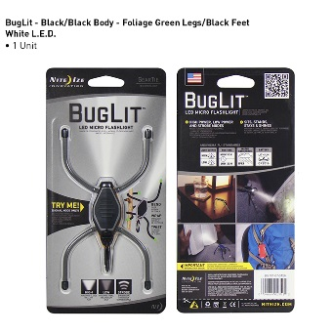
FLASHLIGHT/LED UP GRADE KITS/LIGHTS

094664023512 | BGT01-07-0126 | Nite Ize-BugLit LED Micro Flashlight Black | 40 | $10.39 | $415.60
094664022393 | BGT02-07-1701 | Nite Ize-BugLit LED Micro Flashlight White | 6 | $10.39 | $62.34
094664022409 | BGT03W-07-1703 | Nite Ize-BugLit LED Micro Flashlight Blue | 18 | $10.39 | $187.02
094664022423 | BGT28W-07-0117 | Nite Ize-BugLit LED Micro Flashlight Green | 6 | $10.39 | $62.34
094664015234 | DLT-07-02 | NITE IZE LED DOME LIT | 1037 | $7.99 | $8,285.63
094664023147 | WLT02-07-01 | Nite Ize-WrapLit Utility Light | 90 | $10.39 | $935.10
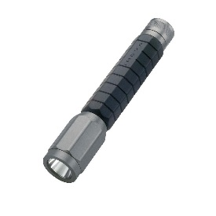
671192350053 | BLT-2L | NOVA BOLT 120 LUMENS | 42 | $32.99 | $1,385.58
094664005532 | LRB-07 | Nite Ize LED Upgrade | 15 | $10.45 | $156.75
094664005525 | LUC-07 | Nite Ize LED Upgrade Combo | 54 | $8.46 | $456.84
094664006799 | NIQ-07-AA | Nite Ize IQ Switch "Fits Mini Maglite" | 11 | $7.95 | $87.45
094664291683 | NAM-03-10 | Nite Ize-Clip On | 64 | $9.82 | $628.48
094664019904 | SLP-03-51 | Nite Ize-SlapLit | 223 | $9.97 | $2,223.31
 |  |  | 1606 |  | $14,886.44

NO UPC BULK | BMT-07-02 | Nite Ize-BrimLit LED Hat Light | 93 | $7.79 | $724.47
BULK |  | NITE IZE CLIPLIT ASSORTED 100/BAG | 1100 | $5.60 | $6,160.00
BULK |  | NITE IZE SEE'EM ASSORTED 100/BAG | 1100 | $4.99 | $5,489.00
BULK |  | NITE IZE SPOT LIT ASSORTED 100/BAG | 1600 | $8.08 | $12,928.00
 |  |  | 3893 |  | $25,301.47
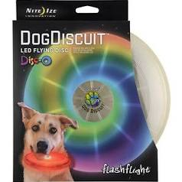
DOG PRODUCTS

094664007314 | FFDD-08-10 | NITE IZE DOG BISCUIT LIGHT UP FLYING DISK | 183 | $11.99 | $2,194.17
094664007314 | FFDD-08-11 | NITE IZE DOG BISCUIT LIGHT UP FLYING DISK | 48 | $11.99 | $575.52
094664009158 | MTLP-08-03 | Nite Ize-Meteor Light K-9-Blue | 18 | $12.45 | $224.10
094664009165 | MTLP-08-07 | Nite Ize-Meteor Light K-9-Multi Colored | 15 | $12.45 | $186.75
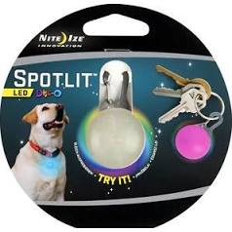
094664009172 | MTLP-08-10 | Nite Ize-Meteor Light K-9-Red | 41 | $12.45 | $510.45
094664009189 | MTLP-08-28 | Nite Ize-Meteor Light K-9-Green | 24 | $12.45 | $298.80
094664024304 | NDCC-03-09 | Nite Ize-Nite Dawg Led Collar-Gray | 13 | $11.02 | $143.26
094664024311 | NDCC-03-12 | Nite Ize-Nite Dawg Led Collar-Pink | 10 | $10.44 | $104.40
094664034488 | NHO-10-R3 | Nite Ize-Nite Howl Led Saftey Necklce | 86 | $10.45 | $898.70
094644296695 | NND-03-10L | NITE IZE LITE UP DOG COLLAR LARGE | 60 | $17.49 | $1,049.40
094664295698 | NND-03-10L | Nite Ize-Nite Dawg Led Light-Up Dog Collar | 168 | $15.08 | $2,533.44
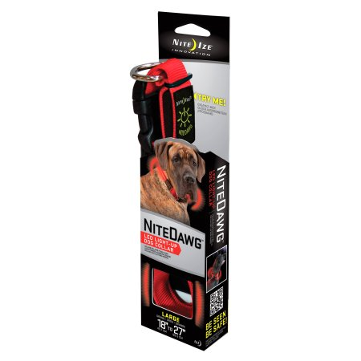
094644296695 | NND-03-10L | NITE IZE LITE UP DOG COLLAR LARGE | 60 | $17.49 | $1,049.40
094664295681 | NND-03-10M | NITE IZE LITE UP DOG COLLAR MEDIUM | 112 | $17.49 | $1,958.88
094664295674 | NND-03-10S | Nite Ize-Nite Dawg Led Light-Up Dog Collar | 79 | $17.49 | $1,381.71
094664296695 | NND-03-19L | Nite Ize-Nite Dawg Led Light-Up Dog Collar | 16 | $17.49 | $279.84
094664296688 | NND-03-19M | Nite Ize-Nite Dawg Led Light-Up Dog Collar | 16 | $17.49 | $279.84
094664296671 | NND-03-19S | Nite Ize-Nite Dawg Led Light-Up Dog Collar | 24 | $16.68 | $400.32
094664034426 | NND-03-33XS | Nite Ize-Nite Dawg Led Light-Up Dog Collar | 78 | $17.49 | $1,364.22
094664007680 | NNL-03-10 | Nite Ize-Nite Dawg Led Light-Up Pet Leash | 65 | $17.45 | $1,134.19
 |  |  | 1116 |  | $16,567.39

BULK | SLG-03-02 | NITE IZE SPOT LED COLLAR LIGHT | 200 | $7.19 | $1,438.00
NON RETAIL BULK | FFJ | NITE IZE DOG LIGHT UPFLYING SAUCER 8" | 924 | $8.00 | $7,392.00
 |  |  | 1124 |  | $8,830.00

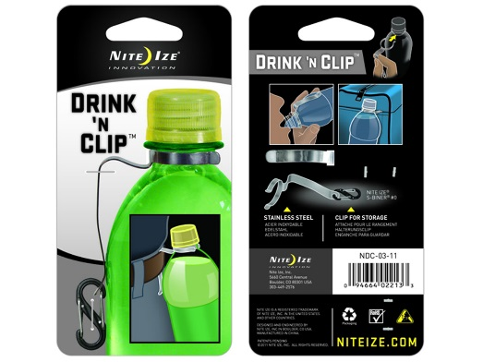
SPORTS SAFTEY

094664022683 | BMT-07-02 | Nite Ize-BrimLit LED Hat Light | 59 | $7.79 | $459.61
094664007246 | H10-07-02 | Nite Ize-Hole-In-One Disc Golf Light | 60 | $11.97 | $718.20
094664292680 | NAB-03 | Nite Ize-Marker Band | 74 | $9.82 | $726.68
094664023406 | NABW-03 | Nite Ize-Marker Band | 781 | $9.82 | $7,669.42
094664024106 | NDC-03-01BG | DRINCK AND CLIP | 2220 | $2.65 | $5,883.00
094664022133 | NDC-03-11 | Nite Ize Drink 'n Clip | 22 | $2.65 | $58.30
094664014855 | NET-07-02 | Nite Ize-TaskLit LED Headlamp | 35 | $8.34 | $291.90
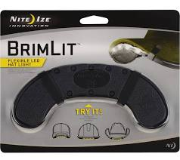
094664024014 | NRV2-08-10 | Nite Ize-Sports Vest | 32 | $18.83 | $602.56
094664027114 | NSB-51-R8 | NITE IZE SPORT BELT LED GLOW AND FLASH | 360 | $17.00 | $6,119.64
094664018921 | NSE2-03-10 | Nite Ize-SeeEm LED Mini Spoke Lights | 180 | $14.09 | $2,536.20
094664028842 | NST-M2-R3 | Nite Ize-Shoe Lit Red 6 Pack | 10 | $3.95 | $39.50
094664015210 | RLT-07-02 | NITE IZE RIDE LIT LED 2 FUNCTION | 1480 | $10.15 | $15,022.00
094664008775 | SKL-03-10 | Nite Ize SpokeLit | 18 | $14.39 | $259.02
 |  |  | 5331 |  | $40,386.03

PHONE TECH GADGETS
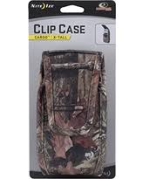
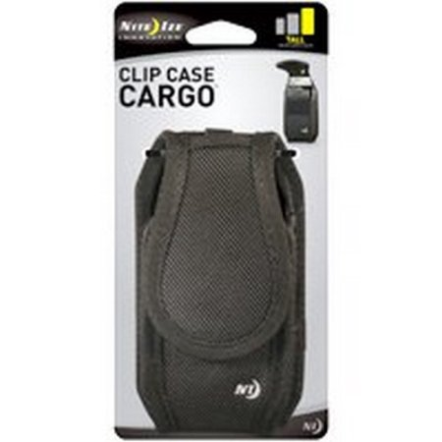
094664009721 | CCCM-03-01 | NITE IZE MOBILE CASE, BLACK, F/MID-SIZED CELL PHONE | 24 | $9.99 | $239.76
094664010567 | CCCM-03-19 | NITE IZE Clip Case Cargo Leather Cell Phone Holster Med Espresso | 1284 | $9.99 | $12,827.16
094664023758 | CNTCC-IP4-01SC | NITE IZE CONNECT CASE IPHONE 4/4S BLACK | 311 | $23.99 | $7,460.89
094664031821 | CNTG5-22-R8 | Nite Ize Connect Case "Galaxy S5" | 8 | $23.99 | $191.92
094664023611 | CNT-IP4-01SC | NITE IZE Connect Case for iPhone 4/4S - Black | 205 | $23.99 | $4,917.95
094664023734 | CNT-IP4-03TC | NITE IZE Connect Case for iPhone 4/4S - BlUE | 260 | $23.99 | $6,237.40
094664023864 | CNT-IP4-06TC | NITE IZE Connect Case for iPhone 4/4S - SMOKE GREY | 130 | $23.99 | $3,118.70
094664023659 | CNT-IP4-12TC | NITE IZE Connect Case for iPhone 4/4S - PINK | 260 | $23.99 | $6,237.40
094664023673 | CNT-IP4-22SC | NITE IZE Connect Case for iPhone 4/4S - MOSEY OAK | 97 | $23.99 | $2,327.03
094664026384 | CNT-IP5-06TC | NITE IZE Connect Case for iPhone 5 /5S - SMOKE GREY | 12 | $23.99 | $287.88
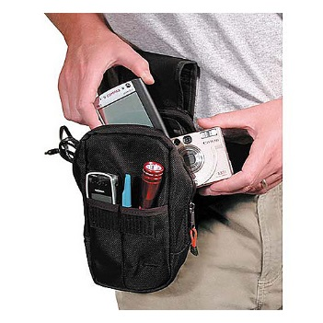
094664026490 | CNT-IP5-23TC | NITE IZE Connect Case for iPhone 5 /5S - PURPLE | 19 | $23.99 | $455.81
094664026468 | CNT-IP5-69TC | NITE IZE Connect Case for iPhone 5 /5S - TURQUOISE | 77 | $23.99 | $1,847.23
094664024083 | CNTMM-08 | CONNECT MOBIL MOUNT | 1938 | $15.61 | $30,252.18
094664014824 | CVM-03-01 | NITE IZE CURVYMAN CORD SUPERVISOR BLACK | 162 | $3.39 | $549.18
 | CVM-03-02 | NITE IZE CURVYMAN CORD SUPERVISOR WHITE | 12 | $3.39 | $40.68
094664014817 | CVM-03-19 | NITE IZE CURVYMAN CORD SUPERVISOR ORANGE | 24 | $3.39 | $81.36
094664019324 | CVM-03-26 FOLIAGE GREEN | NITE IZE CURVYMAN CORD SUPERVISOR FOLIAGE GREEN | 625 | $3.39 | $2,118.75
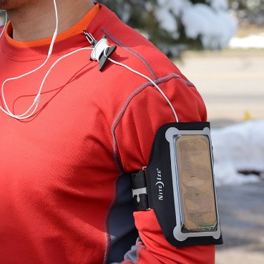
094664019324 | CVM-03-27 | NITE IZE CURVYMAN CORD SUPERVISOR | 204 | $3.39 | $691.56
094664019348 | CVM-03-28 | NITE IZE CURVYMAN CORD SUPERVISOR | 28 | $3.39 | $94.92
094664024120 | CVMMGB-09-A2 | NITE IZE CURVYMAN CORD SUPERVISOR 50PC DISPLAY | 50 | $3.39 | $169.50
094664011939 | EHLM-03-17 | NITE IZE EXECUTIVE PHONE CASE | 6 | $9.99 | $59.94
094664008588 | NBB-03-20BLK | Nite Ize BackBone Case Small | 4 | $16.59 | $66.36
094664008601 | NBB-03-30BLK | Nite Ize BackBone Case Medium | 7 | $16.59 | $116.13
094664008625 | NBB-03-40BLK | Nite Ize BackBone Case Large | 4 | $17.06 | $68.24
094664021792 | NIPB-08-01 | Nite Ize Action ArmBand Fits iPod Touch/ iPhone 4s | 836 | $19.99 | $16,711.64
094664030381 | SSK-01-R7 | Nite Ize ScreenSkate Screen Cleaner "Black" | 40 | $6.58 | $263.20
094664030404 | SSK-17-R7 | Nite Ize ScreenSkate Screen Cleaner "Green" | 10 | $6.58 | $65.80
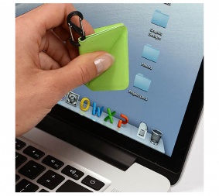
094664030671 | SSK-17-R7 | Nite Ize ScreenSkate Screen Cleaner "Orange" | 25 | $6.58 | $164.50
094664029965 | STDM-11-R7 | Nite Ize Steele Dash Ball | 28 | $9.85 | $275.80
094664035348 | STHMK-M1-R8 | Nite Ize Steelie HobKnob Kit | 6 | $19.97 | $119.82
094664034952 | STPVC-11-R8 | Nite Ize Steelie Desk & Dash System | 9 | $42.50 | $382.50
094664033313 | STVM-11-R7 | Nite Ize Steelie Vent Mount | 11 | $19.99 | $219.89
094664010093 | TSCW-03-01 | NITE IZE Sport Case Tone Wide Black | 70 | $14.99 | $1,049.30
 |  |  | 6786 |  | $99,710.38

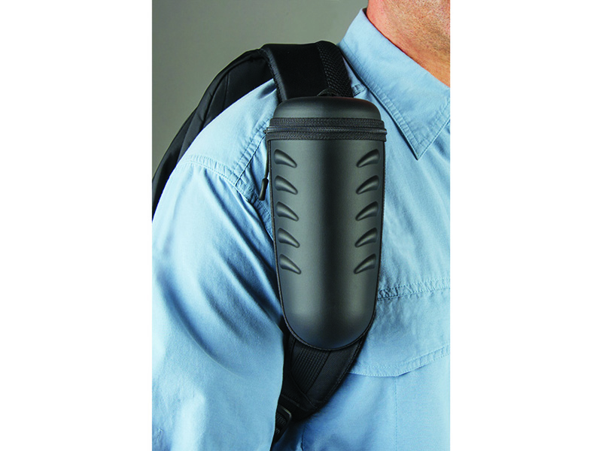
BULK | BULK | MAGNETIC CLIP CASE | 59 | $9.99 | $589.41
BULK | BULK | ASSORTED BLACK PHONE CASE | 16 | $9.99 | $159.84
BULK | NGCL-03-01 | HARDSHELL OPTICS CASE WITH MICRO FIBER CLEANING CLOTH | 66 | $17.79 | $1,174.14
BULK | BULK | SMALL SIDEWAYS CLIP BLACK | 36 | $9.99 | $359.64
BULK | BULK | KWB-06-R6 SMALL CLIP CASE | 175 | $9.99 | $1,748.25
BULK | BULK | MED CASE | 13 | $9.99 | $129.87
BULK | BULK | SMALL CLIP CASE | 64 | $9.99 | $639.36
BULK | BULK | SMALL CARGO | 8 | $9.99 | $79.92
BULK | BULK | SMALL CARGO | 19 | $9.99 | $189.81
BULK | BULK | MED CARGO | 17 | $9.99 | $169.83
BULK | BULK | MED SPORTS CASE | 22 | $9.99 | $219.78
BULK | BULK | LARGE CASE BLACK | 20 | $9.99 | $199.80
BULK | BULK | MIXED CASES | 121 | $9.99 | $1,208.79
BULK | BULK | MIXED CASES | 52 | $9.99 | $519.48
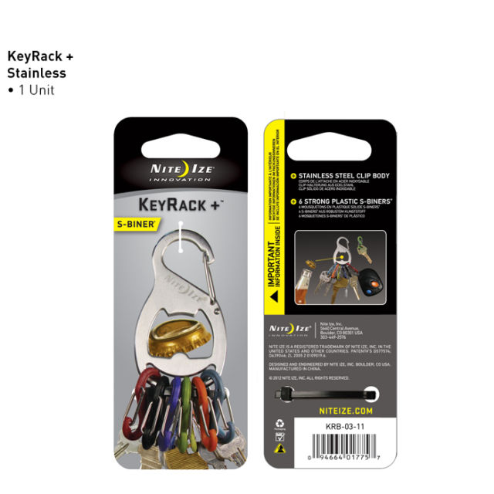
BULK | BULK | NITE IZE CURVY MAN ASSORTED 100/BAG | 700 | $3.39 | $2,373.00
 |  |  | 1388 |  | $9,760.92

KEY CHAIN LIGHTS POCKET GADGETS

094664035799 | FMT-01-R7 | Nite Ize Financial Tool Black | 70 | $5.99 | $419.30
094664028531 | KIC-11-R3 | Nite Ize INFINI Key Chain | 360 | $3.99 | $1,436.40
094664032286 | KMTSK-11-R3 | Nite Ize DoohicKey Skullkey Tool | 43 | $4.99 | $214.57
094664017740 | KRB-03-01 | NITE IZE KEYRACK + SIX KEY S-BINER/BOTTLE OPNER | 597 | $7.99 | $4,770.03
094664015265 | KRL-03-02 | Nite Ize KeyLit | 18 | $7.99 | $143.82
094664022249 | KRS-03-11 | Nite Ize-KeyRack Steel | 54 | $7.99 | $431.46
094664018860 | NCL-03-10 | Nite Ize ClipLit Key Chain Light "Red" | 48 | $7.19 | $345.12
094664023598 | SKE04-03-02 | Nite Ize SeeKey "White" | 18 | $8.49 | $152.82
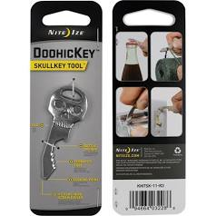
094664023604 | SKE17-03-02 | Nite Ize SeeKey "Green" | 36 | $8.49 | $305.64
094664008304 | SLG-03-07 | NITE IZE Keychain Flashlight Disco | 60 | $6.98 | $418.80
094664030091 | SQL2-02-R3 | Nite Ize Inova Squeeze Light | 30 | $3.99 | $119.70
094664016484 | SQL-W | Nite Ize Inova Squeeze Light | 119 | $3.99 | $474.81
671192245069 | SQ-ML-B | Nitro Key Chain Flashlight "Blue" | 192 | $3.99 | $766.08
671192245045 | SQ-ML-G | Nitro Key Chain Flashlight "Green" | 192 | $3.99 | $766.08
671192245045 | SQ-ML-G | Nitro Key Chain Flashlight "Green" | 720 | $3.99 | $2,872.80
671192245007 | SQ-ML-R | Nitro Key Chain Flashlight "Red" | 456 | $3.99 | $1,819.44
 |  |  | 3013 |  | $15,456.87
BULK KEY CHAIN LIGHTS

BULK | SQL2-02-R3 | Inova Squeeze Light ASSORTED 100/ BAG | 9800 | $3.99 | $39,102.00
671192245045 | SQ-ML-G | Nitro Key Chain Flashlight "Green" | 1296 | $3.99 | $5,171.04
671192245007 | SQ-ML-R | Nitro Key Chain Flashlight "Red" | 1296 | $3.99 | $5,171.04
 |  |  | 12392 |  | $49,444.08

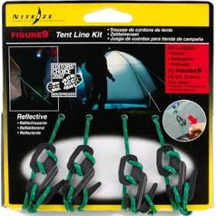
ROPE TIGHTNERS CONNECTORS CAM JAM GEAR TIES

094664032675 | GLPL-01-4R7 | Nite Ize GearTie Mounting Docks "Large" | 14 | $10.38 | $145.32
094664032682 | GLPS-01-4R7 | Nite Ize GearTie Mounting Docks "Small" | 50 | $10.38 | $519.00
094664032804 | GLS6-01-2R7 | Nite Ize Gear Tie Loopable Twist Tie "2PK" | 6 | $7.97 | $47.82
094664018013 | GT3-4PK-16 | Nite Ize Gear Tie Reusamble Rubber Twist Tie "4PK" | 36 | $5.22 | $187.92
094664040502 | CJD-11-R3 | Nite Ize Dual CamJam 1" Webbing Tensioner | 18 | $13.99 | $251.82
094664028258 | CJW12-M1-R8 | Nite Ize CamJam Tie Down Strap 12ft | 7 | $13.78 | $96.46
094664028548 | CJW18-M1R8 | Nite Ize CamJam Tie Down Strap 18ft | 11 | $10.17 | $111.87
094664028241 | CJW6-M1-R8 | Nite Ize CamJam Tie Down Strap 6ft | 13 | $10.17 | $132.21
094664022478 | NCJ-03-01 | NITE IZE CAM JAM CORD TIGHTNER 2MM-5MM | 0 | $6.91 | $-
094664022584 | NCJ-03-01 | Nite Ize CamJam Cord Tightener 2PK | 29 | $6.91 | $200.39
094664028661 | NCJSB-M1-R8 | Nite Ize-CamJam Adjustable Micro Bungee | 25 | $7.87 | $196.75
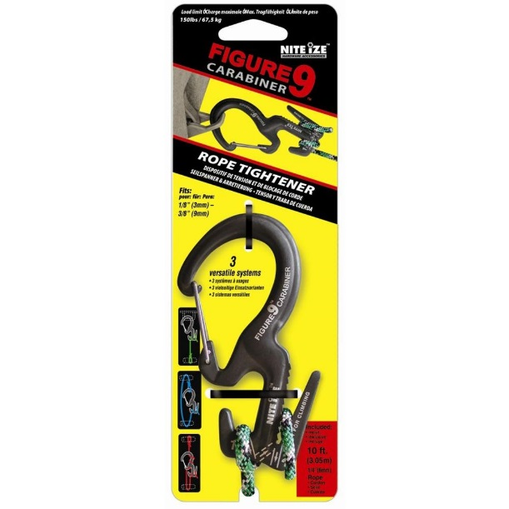
094664023536 | NCJ-02-01BG | Nite Ize CamJam Cord Tightener | 14 | $2.23 | $31.22
094664010185 | C9L-03-01 | Nite Ize-Figure 9 Carabiner rope tightner | 30 | $9.98 | $299.40
094664010178 | C9S-03-TP01 | NITE IZE FIGURE 9 CARABINER ROPE TIGHTNER 2MM-5MM | 30 | $8.87 | $266.10
094664008144 | F9B-03-01 | NITE IZE BIG FIGURE 9 ROPE TIGHTENER | 1374 | $6.68 | $9,178.32
094664007000 | F9S-03-BT09 | Nite Ize-Figure9 Rope Tightener | 40 | $5.62 | $224.80
094664010956 | F9T4-03-01 | NITE IZE FIGURE 9 TENT LINE KIT | 68 | $8.09 | $550.12
094664010956 | F9T4-03-02 | NITE IZE FIGURE 9 TENT LINE KIT | 3603 | $8.09 | $29,148.27
094664023536 | NCJ-02-01BG | Nite Ize CamJam Cord Tightener | 14 | $2.23 | $31.22
095664015425 | KB3-03-4PK | Nite Ize-KnotBone Knot Replacement 4 Pack | 144 | $4.79 | $689.76
094664015500 | KB3-03-8PK | Nite Ize-KnotBone Knot Replacement 8 Pack | 54 | $5.49 | $296.46
094664018853 | KB6-02-01 | NITE IZE DOG BONE KNOTT REPLACEMENT 6 MM | 576 | $5.99 | $3,450.24
094664018846 | KB9-02-01 | NITE IZE INNOVATION 9MM KNOT REPLACEMENT | 2376 | $6.67 | $15,847.92
094664015401 | KBB5-03-01 | Nite Ize-KnotBone Adjustable Bungee 28" to 6" | 35 | $4.99 | $174.65
094664015410 | KBB9-03-01 | Nite Ize-KnotBone Adjustable Bungee 48" to 10" | 35 | $7.99 | $279.65
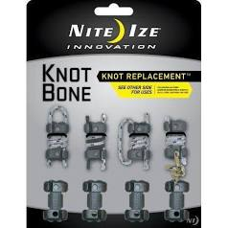
 |  |  | 8602 |  | $62,357.69

BULK | KBB9-03-01 | NITE IZE Knotbone Adjustable Bungee, #9 | 23 | $9.99 | $229.77
BULK |  | KNOT BONE SMALL | 91 | $2.99 | $272.09
BULK | KBB5-03-01 | NITE IZE Knotbone Adjustable Bungee, #5 | 15 | $4.99 | $74.85
NO UPC BULK | KB3-03-4PK | Nite Ize-KnotBone Knot Replacement 4 Pack | 35 | $4.79 | $167.65
NO UPC BULK | KB3-03-8PK | Nite Ize-KnotBone Knot Replacement 8 Pack | 95 | $5.49 | $521.55
NO UPC BULK | F9T4-03-02 | NITE IZE FIGURE 9 TENT LINE KIT | 100 | $8.09 | $809.00
 |  |  | 359 |  | $2,074.91
 |  |  | 76,005 |  | $525,956

